Sheet1
 | OMEObject in heritance diagram (as of 7/5/2016)
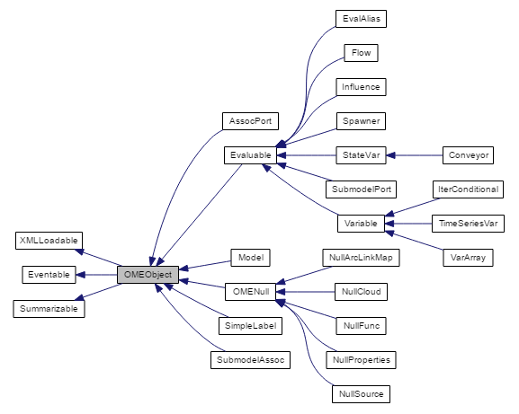
 |  |  |  |  |  | Interfaces
 |  |  |  |  |  | Name | Purpose
 |  |  |  |  |  | XMLLoadable | Provides hooks for reading and writing objects as XML
 |  |  |  |  |  | Eventable | Provides an EventAction() method, which is used to parse event objects.
 |  |  |  |  |  | Summarizable | Provides hooks for returning a string representation for subclasses.

Model Objects
Name | Functional | Simile Equivalent | Vensim Equivalent | XMILE Equivalent | Notes
OMEObject | Yes | NA | NA | NA | The base class for all OME model components.
AssocPort | Yes | Role Border | ? | ? | Connection point for SubmodelAssoc; regulates directional value mappings.
Evaluable | Yes | NA | NA | NA | Base Class for any component that is involved with model expression/equations.
Model | Yes | Submodel | ? | ? | Root container for model components; can form recursive tree structure; can have multiple instances of internal components.
OMENull | Yes | NA | NA | NA | Base Class for components that don't exist in OME but need to be accounted for by Universal Converter
Simple Label | No | Label | Label | ? | Basically just a text box in the Stock-Flow diagram. Presently unused by OME, but simple to implement and may be of use someday.
SubmodelAssoc | Yes | Role Arrow | ? | ? | Simulates weird functionality of Role Arrow in Simile; often used to represent spatial relationships, and is often displaced by SDP calls.
EvalAlias | Yes | Ghost | Shadow | ? | Acts as an Alias to another Evaluable component within the model.
Flow | Yes | Flow | Rate | Flow | Represents derivative for StateVar.
Influence | Yes | Influence | Arrow | Connector | Used to build dependency graph between variables.
Spawner | Partial | Channel Variables (population, immigration, reproduction, destruction, conditional) | ? | ? | Collectively handles Simile's "Channel Variables", which can affect the state and number of instances for a parent submodel object.
StateVar | Yes | Compartment | Level with Integ() function. | Stock | Target of integration solving methods.
SubmodelPort | Yes | Border | ? | ? | Binding point for an influence or Flow along a submodel boundary in a Stock-Flow diagram; collectively accumulates values under specific conditions (such as part of a flow that exits a multi-instanced submodel.
Variable | Yes | Variable | Variable | Aux/Auxiliary | Intermediate variable type; has several subtypes
NullArcLinkMap | Yes | Structural (see notes) | NA | NA | Simile stores arc/arrow linkages across model boundaries as a set of pairs in a custom entry. This class simulates that entry until enough of the model is constructed to import links to their proper locations within the OME representation.
NullCloud | Yes | Cloud | NA | NA | Represents a source/sink in Simile; this is not needed in OME since A null source/target for a Flow is effectively the same thing.
NullFunc | Yes | Func | NA | NA | Simile stores Functions as their own model components; OME does not.
NullProperties | No | Properties | NA | NA | Used to capture any relevant entries from Simile's Properties entry. Presently no entries are needed by OME, so is mostly just an empty type.
NullSource | Partial | source | NA | NA | Used to capture any relevant information from Simile's source entry.
Conveyor | Partial | NA | Level with Delay_Fixed() function | Conveyor | Alternative type of StateVar whose, integration method moves values along through time, similar to a conveyor belt. Not all declared functionality from XMILE spec is present.
IterConditional | No | Alarm | NA | NA | Originally intended to handle Alarm functionality from Simile; implementation never finished.
TimeSeriesVar | Yes | Variable (time series) | ? | ? | changes value at a regular interval; presently only mapped to Simile, although both Vensim and XMILE have equivalent.
VarArray | Yes | Variable (array) | ? | ? | Variable which stores N dimensions of values. Fully implemented for Simile, but Vensim and XMILE equivalents have yet to be mapped.

